Sheet1
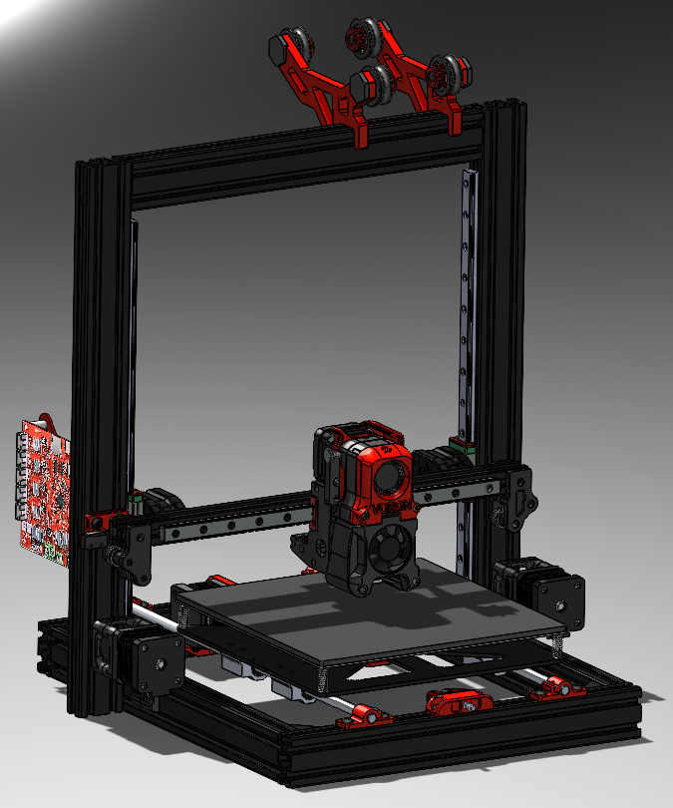
Hardware |  |  |  |  |  | Total Price
Part # | Part Name | Description | Quantity | Price | Link | 27.98
 | Drivegear Kit | Extruder drive gear | 1 | 13.99 | https://www.amazon.com/BCZAMD-Printer-Accessories-Extruder-Extrusion/dp/B07SW8HCL4/ref=sr_1_5?dchild=1&keywords=bondtech+drivegear&qid=1617928137&sr=8-5
 | M3-0.5 Threaded Heat Set Inserts | (x50) | 1 | 13.99 | https://www.amazon.com/initeq-M3-0-5-Threaded-Inserts-Printing/dp/B077CL322T/ref=pd_sbs_2?pd_rd_w=rThbV&pf_rd_p=2419a049-62bf-452e-b0d0-ca5b7e35a7b4&pf_rd_r=KAYN64A5G4AYA98JHCMY&pd_rd_r=2428c32d-f3ed-439c-b480-6143894d8f77&pd_rd_wg=1bdsQ&pd_rd_i=B077CL322T&th=1

Motion
Part # | Part Name | Description | Quantity | Price

Framing
Part # | Part Name | Description | Quantity | Price

